Citation
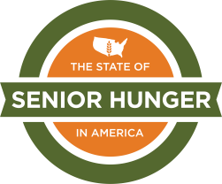

When using this data, please cite as follows:
Gundersen, C., Ziliak J., Strayer M., & Hake M. (May 2021). The State of Senior Hunger in America 2020: An Annual Report; and Hunger Among Adults Aged 50-59 in America 2020: An Annual Report [Data file]. Available from Feeding America: https://www.feedingamerica.org/research/senior-hunger-research

